Sheet5
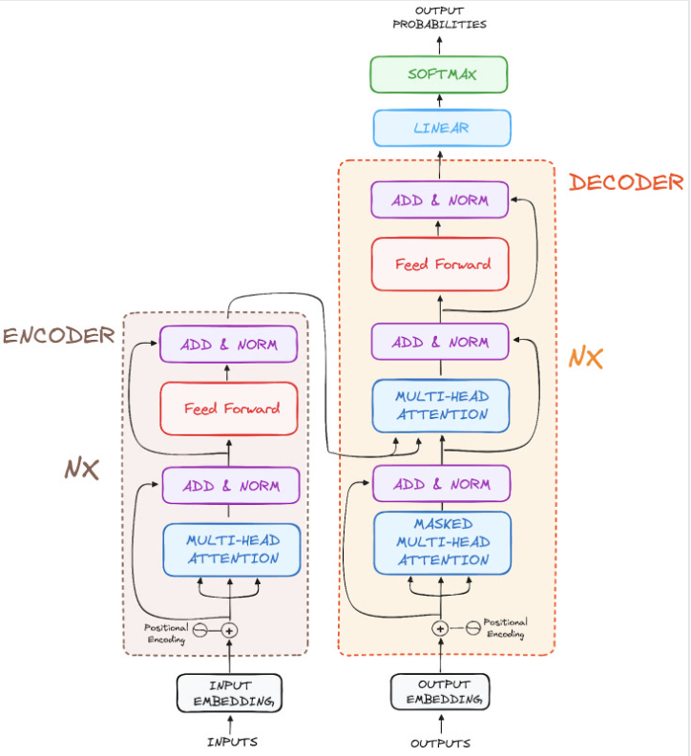
Original structure of transofrmer

Sheet4
Transformer

Language Translation

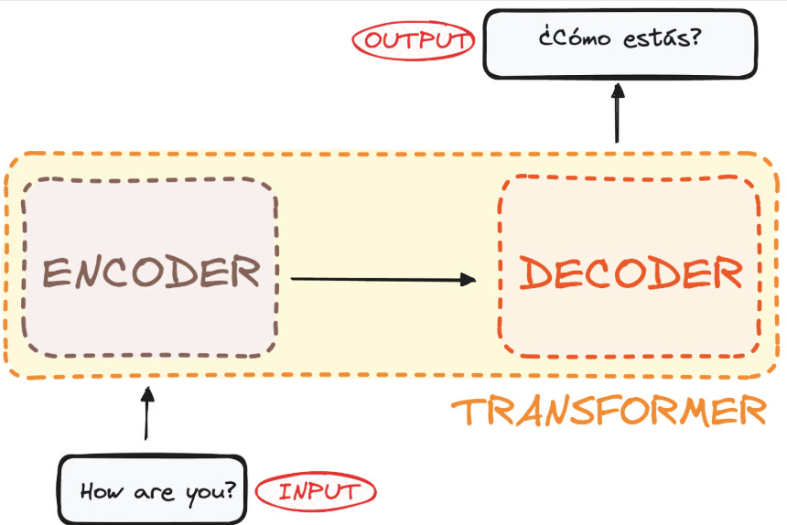
Transformr as Encoder Decoder

Encoder Decoder Layers
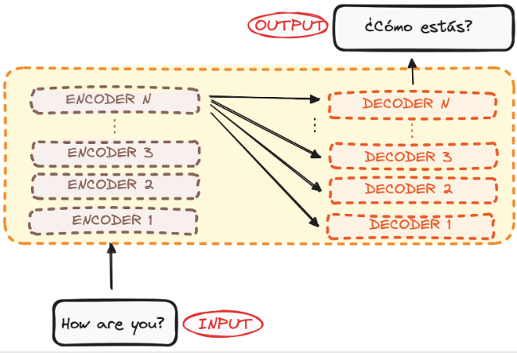

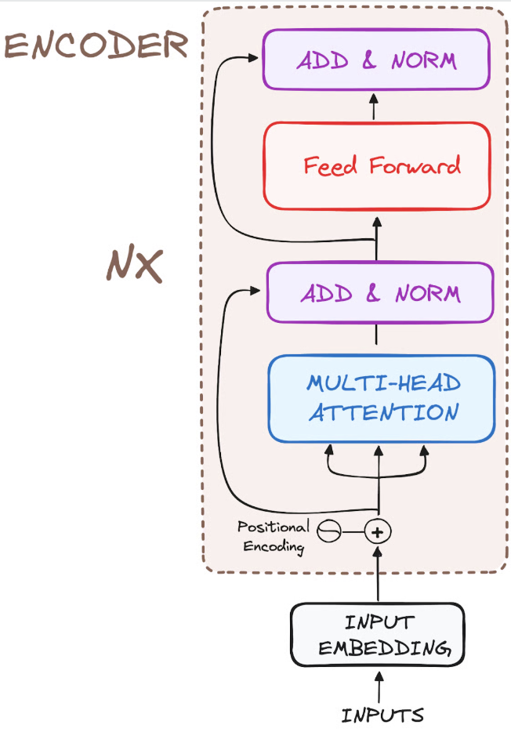
Encoder structure

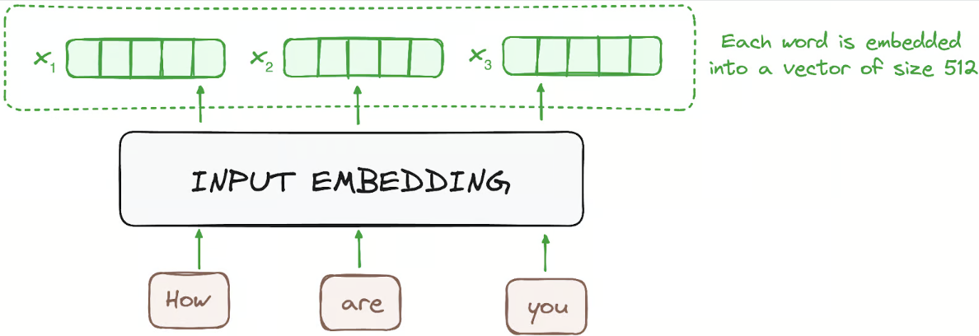
Step 1
Input Embedding

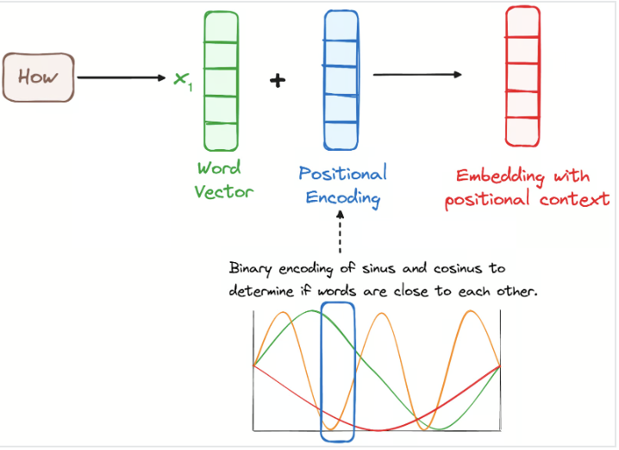
Step 2
Positional Encoding

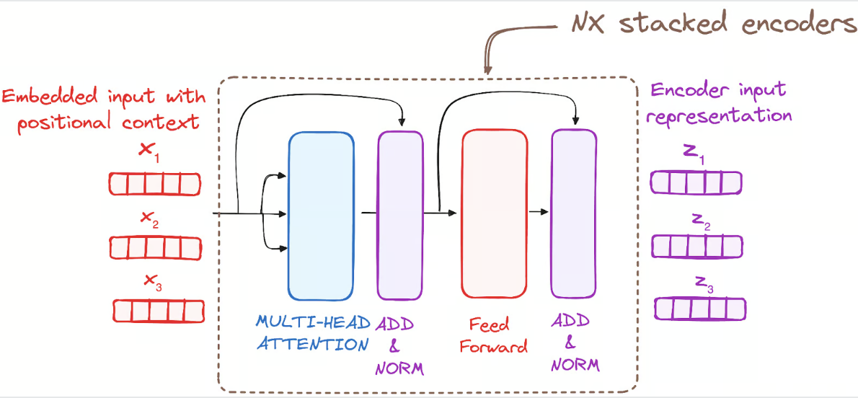
Step 3
Stcaks of Encoder Layers

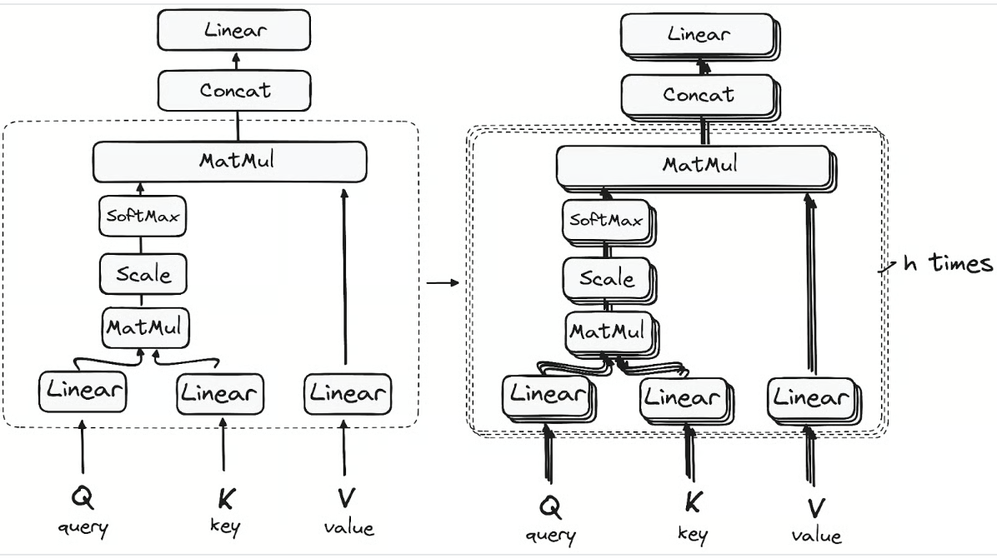
Step 3.1
Multi head attention mechanism

self attention

query
key

value

Step 3.2
Normalization and Residual connection

chapter2
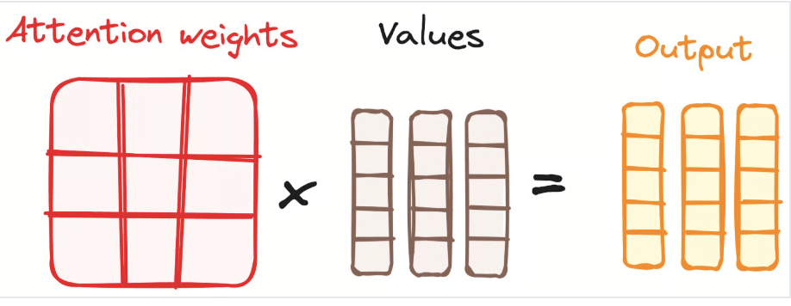
Multi-Headed Self-Attention Mechanism
multi headed selft attention mechanism
how transformer work
sentence | how are you

First step
embedding | 5 dim embedding |  |  |  |  |  | how | are | you
how | 1.4 | 1.2 | 2.7 | 4.4 | 5.5 |  | 1.4 | 2.4 | 1.4
are | 2.4 | 3.6 | 4.1 | 2.2 | 1.6 |  | 1.2 | 3.6 | 3.1
you | 1.4 | 3.1 | 2.2 | 5.1 | 4.1 |  | 2.7 | 4.1 | 2.2
 |  |  |  |  |  |  | 4.4 | 2.2 | 5.1
Second Step |  |  |  |  |  |  | 5.5 | 1.6 | 4.1

Dot product matrix multiplication
Score matrix
 | Query/key | how | are | you
 | How | how * how | how * are | how * you
 | are | are * how | are * are | are * you
 | you | you * how | you * are | you * you

multiplication effect | 5 *5 | 25
 | 100 * 200 | 20000
 | 0.02 * 0.03 | 0.006

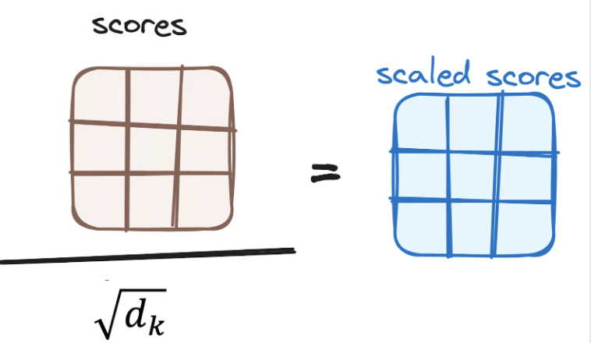
scaled score matrix

softmax | 2 | 3 | 5 |  |  | higher score | 5
 |  |  |  |  |  | lower score | 2
probability | 2 / 10 | 3/ 10 | 5 /10
weights | 0.2 | 0.3 | 0.5 |  |  | attention

combining softmax with value vector

